Sheet1
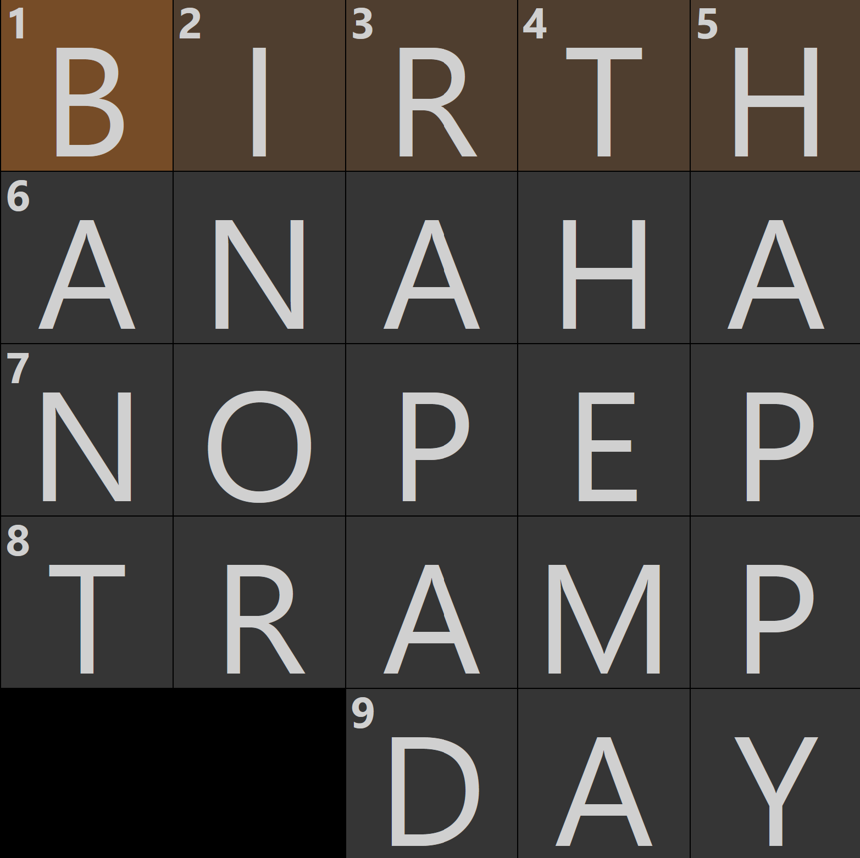
 | 1 | 2 | 3 | 4 | 5 | 6
1 | P | R | O | Y | S | R
2 | I | A | E | T | A | S
3 | S | I | L | S | E | A
4 | V | L | T | R | O | Y
5 | Y | L | A | M | T | S
6 | A | A | R | U | I | E
7 | R | T | A | E | T | R
8 | A | N | E | L | L | A

 | Total letters |  | 48
 | RESTAURANT |  | 10
 | Remaining letters |  | 38

 |  |  |  | include?
1 | UNCONVENTIONALDINER |  | 19 | 0
2 | THEGRILLATIPANEMA |  | 17 | 0
3 | BUSBOYSANDPOETS |  | 15 | 0
4 | OYSTEROYSTER |  | 12 | 1
5 | NORTHITALIA |  | 11 | 0
6 | PLANTAQUEEN |  | 11 | 0
7 | ELIZABETHS |  | 10 | 0
8 | LAOSINTOWN |  | 10 | 0
9 | SOUTHBLOCK |  | 10 | 0
10 | JOLTNBOLT |  | 9 | 0
11 | RESIDENTS |  | 9 | 0
12 | VILLAYARA |  | 9 | 1
13 | THECOUPE |  | 8 | 0
14 | TRUEFOOD |  | 8 | 0
15 | DCVEGAN |  | 7 | 0
16 | FRUTIVE |  | 7 | 0
17 | THELINE |  | 7 | 0
18 | RASIKA |  | 6 | 0 |  |  | Clues
19 | CHAIA |  | 5 | 0 |  |  | Across
20 | KARMA |  | 5 | 0 |  |  | 1 | A delivery that doesn't need a signature
21 | LAPIS |  | 5 | 1 |  |  | 6 | Exclamation let out after a breakthrough with an article
22 | NAMAK |  | 5 | 0 |  |  | 7 | Low energy
23 | ELLE |  | 4 | 1 |  |  | 8 | Me, or the type a Lady like you would go for
24 | MITA |  | 4 | 1 |  |  | 9 | It can be seized but not held
25 | RASA |  | 4 | 1
26 | ALA |  | 3 | 0 |  |  | Down
 |  |  |  |  |  |  | 1 | Playful argument, with -ER
 |  |  | count | 6 |  |  | 2 | Phrase often said when holding the door for a cat, with OUT
 |  |  | tot | 38 |  |  | 3 | A commerical featuring Kendrick Lamar, perhaps
 |  |  | diff | 0 |  |  | 4 | The main idea, according to Plato and Aristotle
 |  |  |  |  |  |  | 5 | Overplayed Pharrell song

